Sheet1

Assignment Code: DA-AG-019 Excel Part 1 | Assignment Question 1: What is the difference between 'Paste' and 'Paste Special' in Excel? Briefly explain with examples. Answer:- Paste vs Paste Special in Excel 1. Paste The normal Paste option simply pastes everything (content, formatting, formulas, comments, etc.) from the copied cell(s) into the new location. Shortcut: Ctrl + V. Example: If cell A1 contains =5+5 (formula) and is formatted in bold red font, copying and pasting it into B1 will give you: Formula =5+5 (not just the value 10) Same bold red formatting So, Paste = exact replica. 2. Paste Special Paste Special allows you to choose what exactly to paste, instead of pasting everything. Shortcut: Ctrl + Alt + V (opens the Paste Special dialog). Options include: Values → only the result of formulas. Formulas → only formulas (not formatting). Formats → only formatting. Transpose → switches rows ↔ columns. Values + Number Formats, etc. Example: If cell A1 contains =5+5 (formula) and is bold red: Paste Special → Values into B1 → will paste 10 (result only, no formula or formatting). Paste Special → Formats → will paste only bold red style into B1 (content unchanged). Paste Special → Transpose → if you copy a row (A1:D1) and paste special with transpose into A2, it will paste as a column (A2:A5).
Question 2: Describe the functions and usefulness of 'Freeze Panes' and 'Split Panes'in Excel. Answer:- Freeze Panes vs Split Panes in Excel 1. Freeze Panes Function: Keeps certain rows or columns visible while you scroll through the rest of the worksheet. Usefulness: Very helpful when working with large datasets where you always want to see headings (column/row labels). Where to find: Ribbon → View Tab → Freeze Panes. Examples: Freeze Top Row → Always keeps the first row visible (commonly used for headers). Freeze First Column → Keeps the first column visible when scrolling sideways. Freeze Panes (Custom) → Freezes rows above and columns to the left of the active cell. Example: If Row 1 has column names (Name, Age, Salary, Dept), using Freeze Top Row ensures the headings stay visible while scrolling down through thousands of rows. 2. Split Panes Function: Splits the worksheet window into two or four independent scrollable sections. Usefulness: Lets you view and compare different parts of a worksheet at the same time. Where to find: Ribbon → View Tab → Split. Examples: If you split horizontally at Row 10 → You can scroll rows 1–10 separately from the rest of the sheet. If you split vertically at Column C → You can scroll columns A–C separately from D onward. You can also split both ways to create four quadrants of the worksheet. Example: If you have employee data in thousands of rows, you can split at row 1 and column A. Now you can scroll through the data while still keeping headings (row 1) and employee IDs (column A) in view.
Question 3: Explain the difference between inserting a new row and inserting a new column in Excel. Can you insert multiple rows or columns at once? Answer:- Difference Between Inserting a Row and a Column 1. Inserting a New Row When you insert a new row, Excel shifts the existing rows downward. The new row is added above the selected row. It will have the same formatting as the row above it. Example: If you have data in Rows 1–5 and you insert a row at Row 3 → The original Row 3 (and everything below) becomes Row 4, and a blank row appears at Row 3. 2. Inserting a New Column When you insert a new column, Excel shifts the existing columns to the right. The new column is added to the left of the selected column. It will have the same formatting as the column on its left. Example: If you have data in Columns A–D and you insert a column at Column B → The original Column B becomes Column C, and a blank column appears at Column B. Can You Insert Multiple Rows or Columns at Once? Yes Select the number of rows/columns you want to insert → Right-click → Insert. Excel will insert the same number of blank rows or columns. Examples: To insert 3 new rows → Select 3 rows (say Rows 4–6), then right-click → Insert → Excel will insert 3 blank rows starting from Row 4. To insert 2 new columns → Select 2 columns (say Columns C and D), then right-click → Insert → Excel will insert 2 blank columns starting from Column C.
Question 4: What are logical functions in Excel? Provide examples of at least two logical functions and their applications. Answer:- Logical Functions in Excel Definition: Logical functions in Excel are used to perform comparisons or tests that return either TRUE or FALSE, or take action based on conditions. Purpose: They help in decision-making, data validation, and conditional calculations. Examples of Logical Functions 1. IF Function Syntax: =IF(logical_test, value_if_true, value_if_false) Use: Checks a condition and returns one value if the condition is TRUE and another if it is FALSE. Example: =IF(B2>=50,"Pass","Fail") If the value in B2 is 50 or more → returns "Pass" Otherwise → returns "Fail" Application: Useful in grading systems, eligibility checks, sales target analysis, etc. 2. AND Function Syntax: =AND(condition1, condition2, …) Use: Returns TRUE only if all conditions are TRUE, otherwise FALSE. Example: =AND(B2>=50, C2="Yes") Returns TRUE only if B2 is 50 or more and C2 contains "Yes". Application: Can be combined with IF to check multiple conditions at once. Example: =IF(AND(B2>=50,C2="Yes"),"Eligible","Not Eligible") 3. OR Function (bonus) Syntax: =OR(condition1, condition2, …) Use: Returns TRUE if any one condition is TRUE. Example: =OR(B2>=50, C2="Yes") Returns TRUE if either condition is satisfied. Application: Useful when multiple alternate conditions can qualify for a decision.
Question 5: Discuss the purpose of 'XLOOKUP' and how it differs from the traditional 'VLOOKUP' function. Answer:- The **purpose of the XLOOKUP function** in Excel is to search for a specific value in a range or array and return a corresponding value from another range. It is a more flexible and powerful replacement for older lookup functions like **VLOOKUP** and **HLOOKUP**. XLOOKUP simplifies data retrieval by allowing users to search both **vertically and horizontally**, handle **exact or approximate matches**, and return results from **any direction** — not just to the right of the lookup column. The main difference between **XLOOKUP** and **VLOOKUP** lies in their flexibility and functionality. Unlike VLOOKUP, which can only look for values in the **leftmost column** of a table and return results from columns to its right, XLOOKUP can search **in any column or row** and return data from **either side** of the lookup value. This eliminates the need to rearrange data or use complex formulas like INDEX and MATCH. Furthermore, **XLOOKUP** does not rely on column index numbers; instead, it directly references the return array, making formulas easier to read and less prone to errors when columns are added or removed. It also provides built-in handling for **missing values** through the `[if_not_found]` argument, avoiding common errors like `#N/A`.
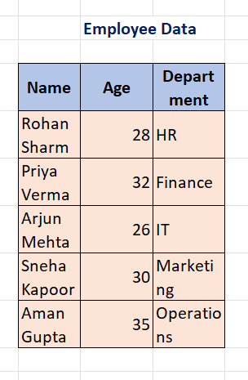
Question 6: Create a worksheet titled 'Employee Data' with columns: Name, Age, Department. Add 5 rows of data. Format as follows: ● Bold and center-align the header row ● Apply a fill color ● Auto-fit column width (Include a screenshot showing your formatted table.)
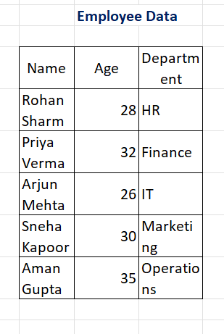

After:- Before:-

Question 7: Demonstrate how to insert and delete multiple rows and columns in Excel. (Provide screenshots before and after the changes.)
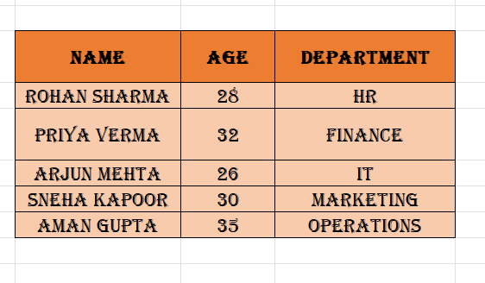

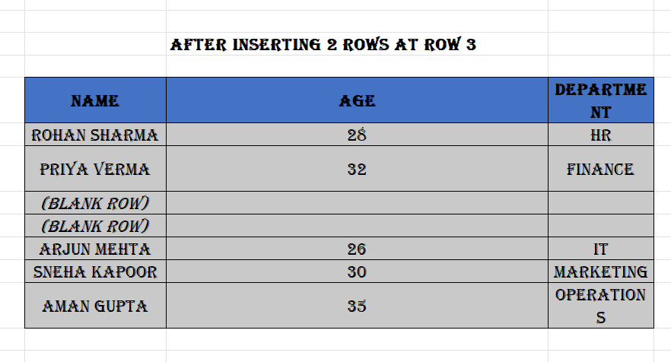

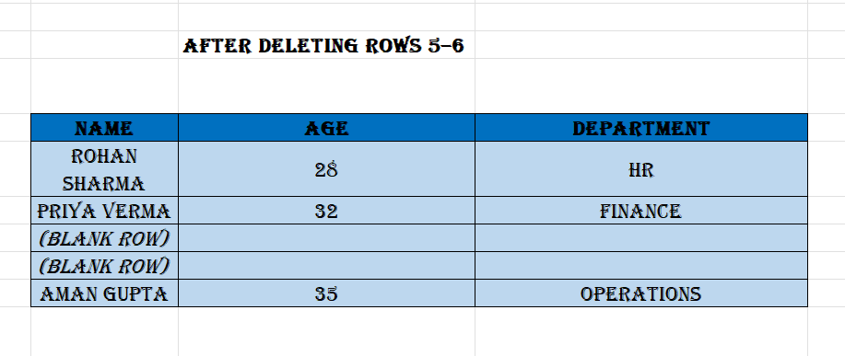

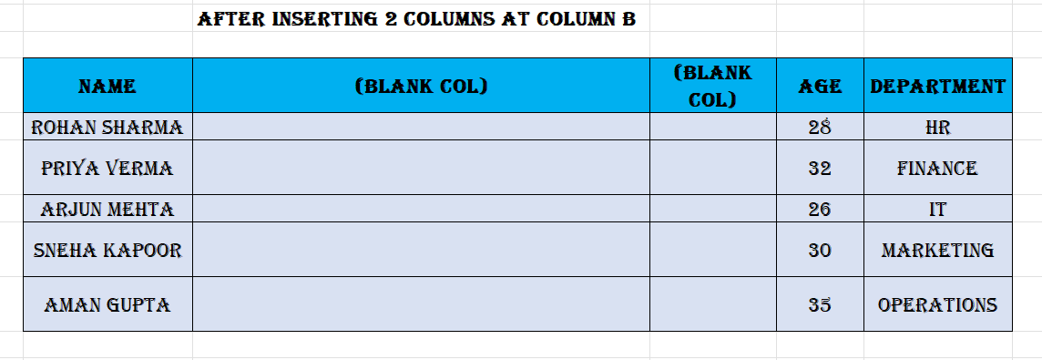

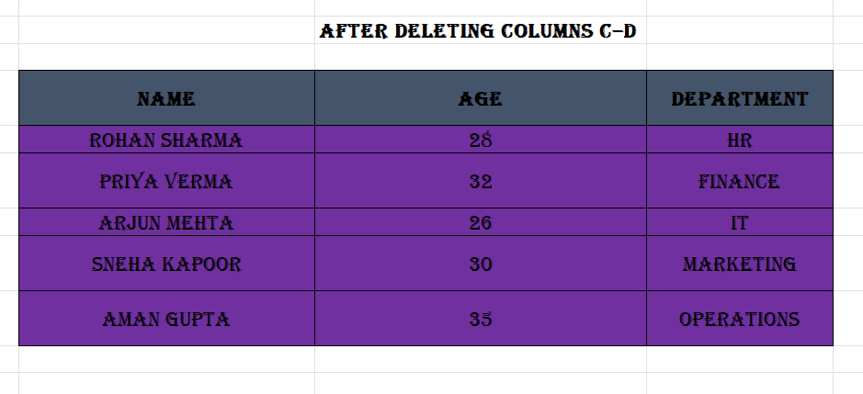

Question 8: Use Excel's 'Find and Replace' feature to update department names in a sample table. (Include a screenshot showing the replaced data.) Answer:-

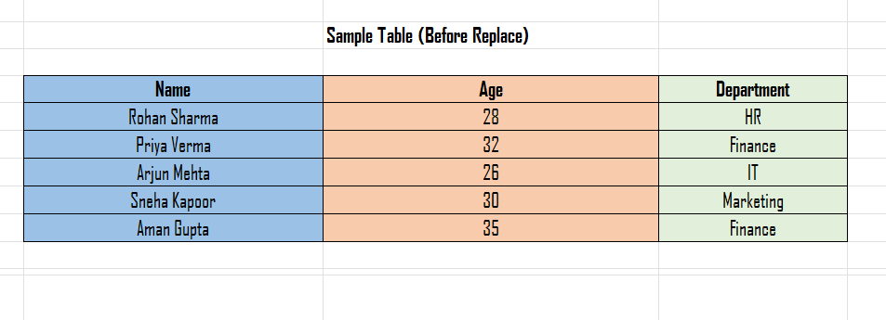

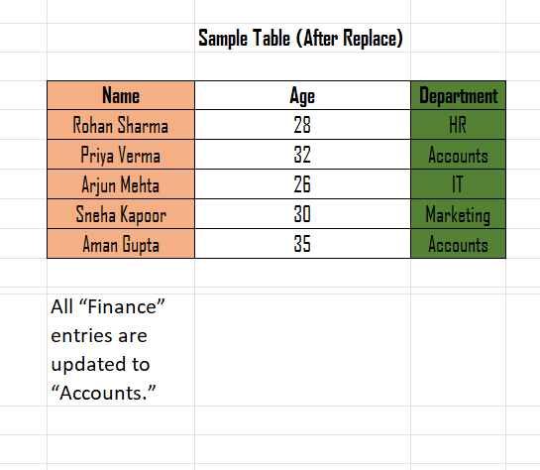

Question 9: Create a small numerical dataset and apply the following functions: ● AVERAGE ● MAX ● MIN (Include a screenshot showing the formulas and their results.) Answer:-

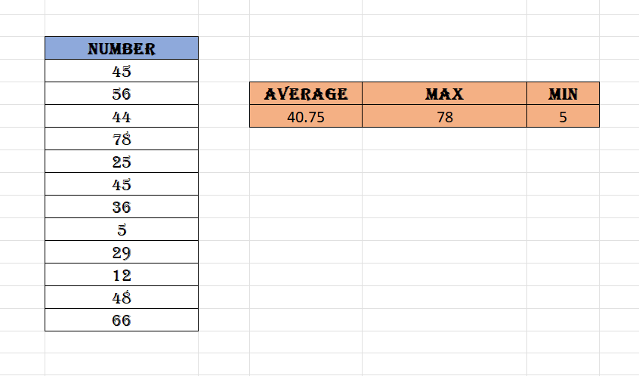

Question 10: You're working with a dataset that contains missing values. As a Data Scientist, explain how you'd detect and handle missing data using Excel. Mention tools like: ● Go To Special ● ISBLANK ● COUNTBLANK (Include a screenshot showing how blanks are identified or processed.) Answeer:- Detecting and Handling Missing Data in Excel 1. Using Go To Special Purpose: Quickly select all blank cells in a dataset. Steps: Select the dataset range. Go to Home → Find & Select → Go To Special → Blanks → OK. All blank cells are highlighted. Usefulness: Once selected, you can: Fill missing values manually Use formulas to fill in values (e.g., 0, "Unknown", or average of column) 2. Using ISBLANK Function Purpose: Check if a particular cell is blank. Returns TRUE if blank, otherwise FALSE. Syntax: =ISBLANK(cell) Example: =ISBLANK(B2) Returns TRUE if B2 is empty. 3. Using COUNTBLANK Function Purpose: Count the total number of blank cells in a range. Syntax: =COUNTBLANK(range) Example: =COUNTBLANK(B2:B6) Returns 2, meaning there are 2 missing ages in the column. Usefulness: Quickly quantify missing data before deciding how to handle it. Handling Missing Data Once detected, you can handle blanks in several ways: Fill with a constant: e.g., 0 or "Unknown" Fill with average/median of column: e.g., =AVERAGE(B2:B6) Delete the row: if the missing data makes the row unusable

